Sheet1
Section 1: Introduction to Python

Lecture 1: Course Overview

1. Introduction to Python
2. Python Installation and setup
3. Python Datatypes
4. Operators and Expression
5. Conditional Statements
6. Loops Control Flow
7. String and its methods
8. Formatted Printing
9. Regular Expression
10. List
11. Tuple
12. Sets
13. Dictionary
14. Functions
15. More About Functions
16. Exception Handling
17. File Handling
18. OOP's Programming
19. MultiThreading
20. Date and Time
21. DataBase Connectivity
22. Data Structure Modules
23. Math Modules
24. OS Module Functions
25. Tkinter Module
26. NumPy Module

Lecture 2: Introduction To Python

Python is just a programming language like C, C++, Java

So what is special about Python as compare to other programming language ?
1. Simple and Easy to learn
2. Scripting Language
3. Dynamic Datatypes
4. Compiled + Interpreted (Hybrid)
5. Platform Independent
6. Portable

Scripting Language have some special purpose - No Python is General Purpose Language.
* Like Javascript is scripting language and its special purpose is Web Development, similar php - web development.
1. Desktop Application
2. Web Application
3. Games
4. Data Science
5. Machine Learning and AI

Lecture 3: Programming Languages

Why we use Language ?
• Language is used to communicate. And communicate can be in many form(sharing Ideas, stories, instructions, gossips ….)
and one of the form is Instruction.
• Like a Employer giving instruction to Employee and a Teacher giving instruction to Student.

• Similary we need language to communicate with Machines (Computer) but Machines only understand
Machine Language (in the form of 0's and 1's - binary form)

• So we need a translator.

Indian
Translator - (1. But translator may be Indian origin or Chinese origin.
2. And based on that translator will be more close that language)
Chinese

Similar for machines:

Complier/Interpreter
(More closer to Machine Language side)
Machine Language
Python

Types Of Programmig Language
1. Low Level Language
Machine Language (its like learning chinese to talk to the Chinese Person skip the translator work)
Assembly Language

2. High Level Language
C, C++ (Compiler)
Javascript, PHP (Interpreted)
Python, Java (Hybrid)

Lecture 4: Complier Vs Interpreter

• Complier and Interpreter both are methods or means of translation, end result is same but working mechanism is different.

 |  |  |  |  | Chinese Dish Recceipe with 4 instructions
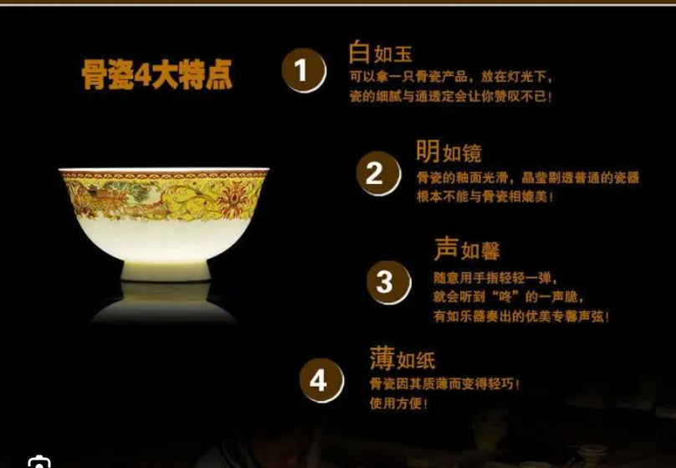

 |  | Compiler |  |  |  |  |  |  | Interpreter
Person A translate all steps and gave a copy of |  |  |  |  |  |  |  |  | Person B stand beside Cook and translate steps as
English version to cook. |  |  |  |  |  |  |  |  | the Cook prepare the Food.

• One Time Translation |  |  |  |  |  |  |  |  | • Required translation on every use
• Copy of Recipe in English (can be used again and again) |  |  |  |  |  |  |  |  | • Recipe still in Chinese
• Preparation after Translation |  |  |  |  |  |  |  |  | • Preparation while Translation
• Independent of Person A |  |  |  |  |  |  |  |  | • Always dependent on Person B
• If Error, no translation (hence no preparation) |  |  |  |  |  |  |  |  | • Partial Preparation till error

 | C Program (.c file) |  |  |  |  |  |  |  | Javascript Program (.js file)

 | Compiler generate (machine level file) |  |  |  |  |  |  |  | Directly executed on browser
 | (.exe file) |  |  |  |  |  |  |  | (Browser act as Interpreter)

 | Executed by machine (.exe file)

1. One Time Translation (to .exe) |  |  |  |  |  |  |  |  | 1. N time translation (every time render on browser)
2. Steps in machine code |  |  |  |  |  |  |  |  | 2. Code is still .js
3. Execution after translation |  |  |  |  |  |  |  |  | 3. Exection while translation
4. Independent Execution |  |  |  |  |  |  |  |  | 4. Execution in Runtime Env
5. If Error, no Compilation |  |  |  |  |  |  |  |  | 5. Partial Execution till Error

Lecture 5: Python is Hybrid

 |  | (Intermediate Language)
Chinese |  | English Conversion |  |  |  | Hindi Conversion |  |  | Cook (only know hindi)
Dish |  | (compiler) |  |  |  | (Interpreter)

 |  | (Intermediate Lang)
Hello.py |  | ByteCode file |  |  |  |  | Python Virtual Machine |  |  | Output
 |  | Hello.pyc (python complilasation file) |  |  |  |  | Interpreter)
 |  | (Byte code id not human readbale) |  |  |  |  | (PVM)

Lecture 6: Python is platform independent

Platform: is Operarting system which proivde enviroment for running our application.
1. Window platform
2. Apple Platform
3. Linux

C programn

.exe file (using Complier)

Windows |  |  | macOS |  |  | Linux
(Working) |  |  | (Not working) |  |  | (Not working)

Javascipt programn

Interpreter (Browser)

Windows |  |  | macOS |  |  | Linux
(Working) |  |  | (working) |  |  | (working)
*Any one can see souce code of javascpit - disadvantage
* Javascript is independent of the platform.

Python programn (.py file)

Compiler (.pyc)

Windows |  |  | macOS |  |  | Linux
(Working) |  |  | (working) |  |  | (working)

* But we need PVM (Python Virtual Machine act as Interpreter) for every operating system as per their platform.
* PVM is platform dependent not .pyc file.

Lecture 7: Programming Paradigms (Methodoly/Approach)

Types of programming paradimgs:

1. Procedural Programing:

 | Program (Monolithic)

A complete long program is written in one file (monolithic) which is very hard to refactor and maintain.
Instead we can break our long program into small independent piece called function or procedure.
Now, we can develop our long program using these functions.

If we have many related functions we can make library for that particular work.

 |  |  |  |  | Main Program

 |  | Module 1 |  |  | Module 2 |  |  | Module 3

Function1 |  |  | Function2 |  | Function 3 |  | Function 4 |  | Function 5

2. Object Oriented Programing:

We used class to make a blue print of a functionality.

public class Account {

 | variable 1;
 | variable 2;

 | function();

 | }

* Python supports functions i.e procedural function and it also support objects.
* By nature Python is Object Oriented and it support functions.

3. Functional Programing:

Using pre - defined functionalities like mathematcal functions.

Lecture 8: Python Libraries

• Desktop Application - Tkinter, PySide
• Web Application - Flask, Django
• Games - Pygame, Panda3D
• Database - PyMySQL, SQLite
• Data Science - Numpy, Pandas
• Machine Learning & AI - TensorFlow, Scikit-Learn

Section 2: Python Installation and Setup

Lecture 1: Installing Python

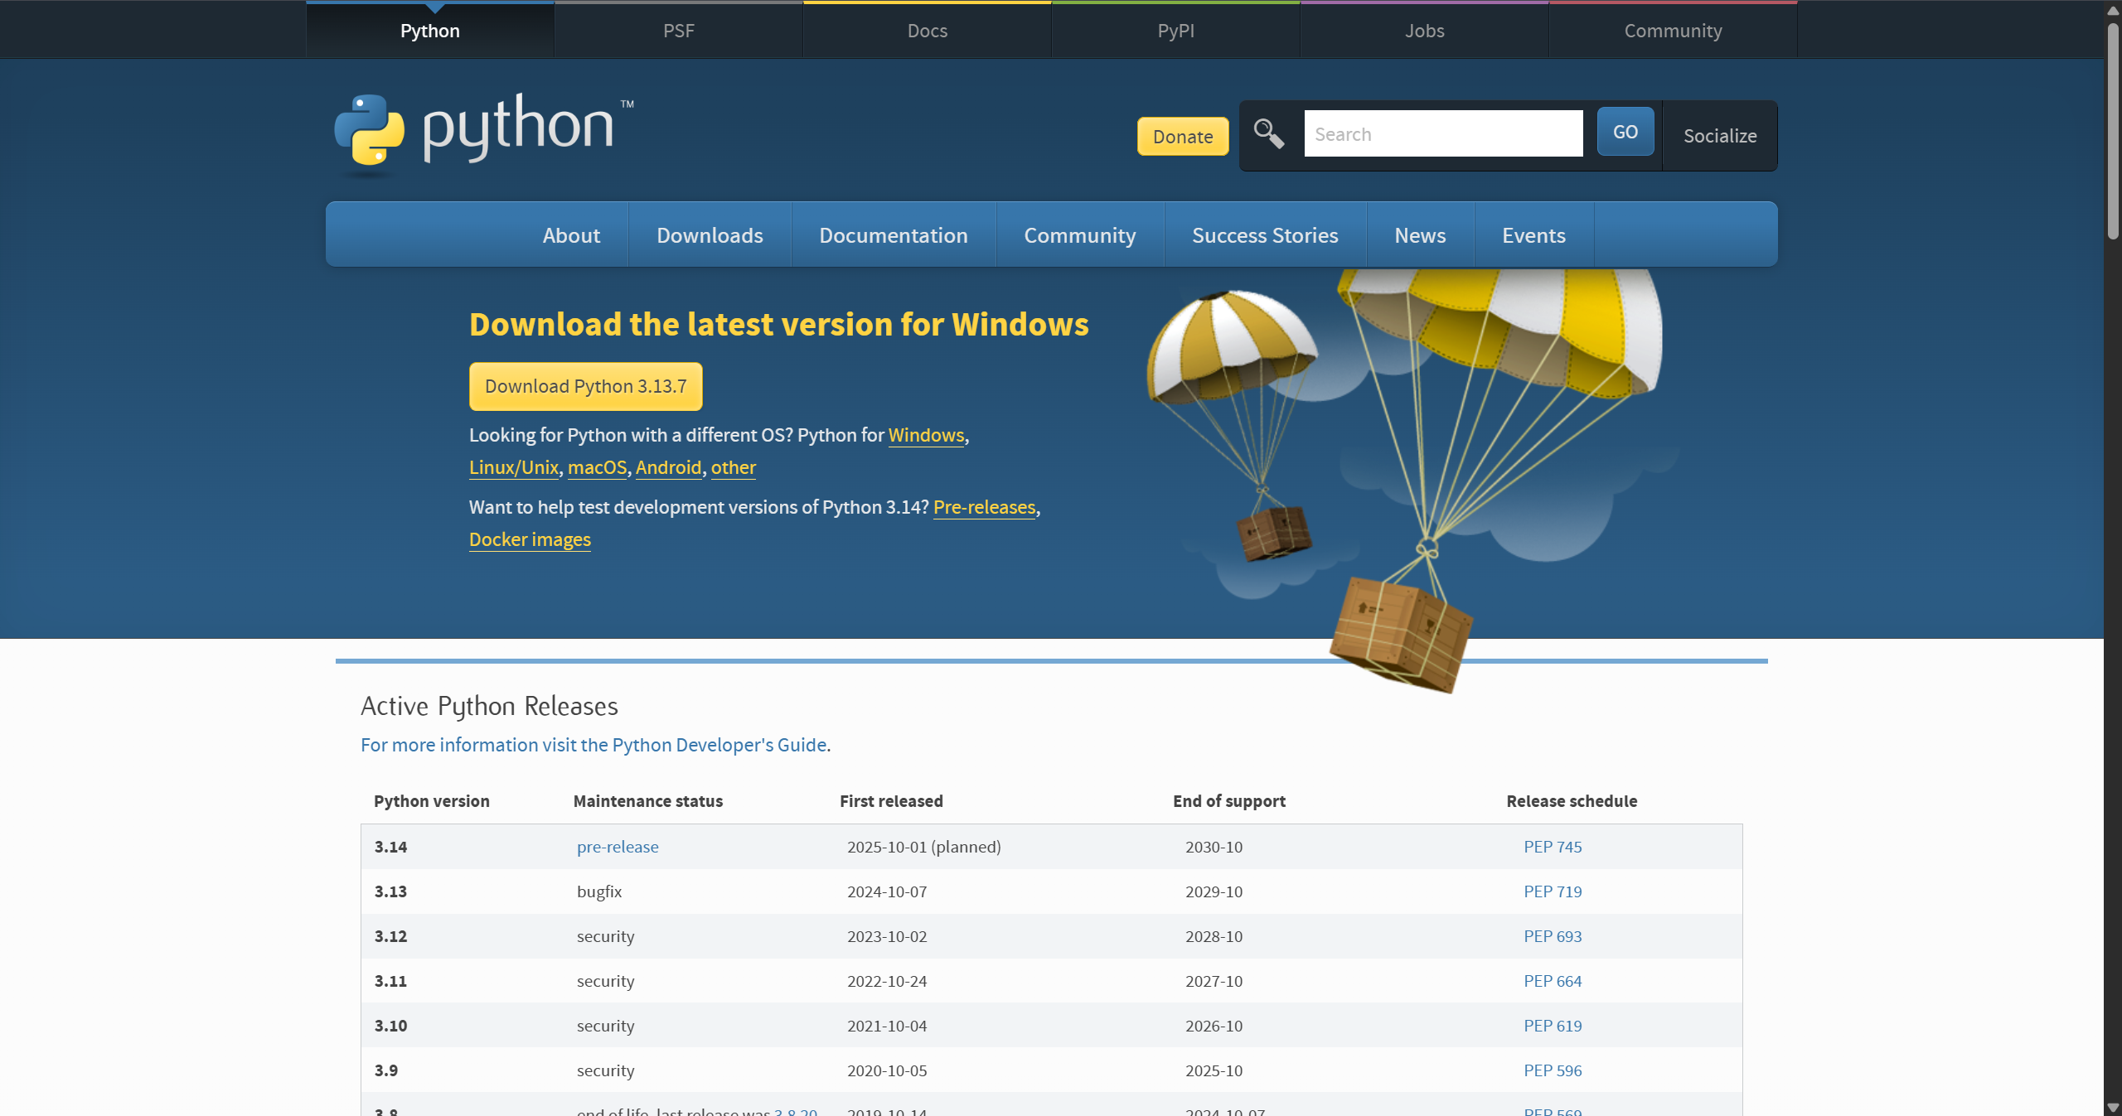

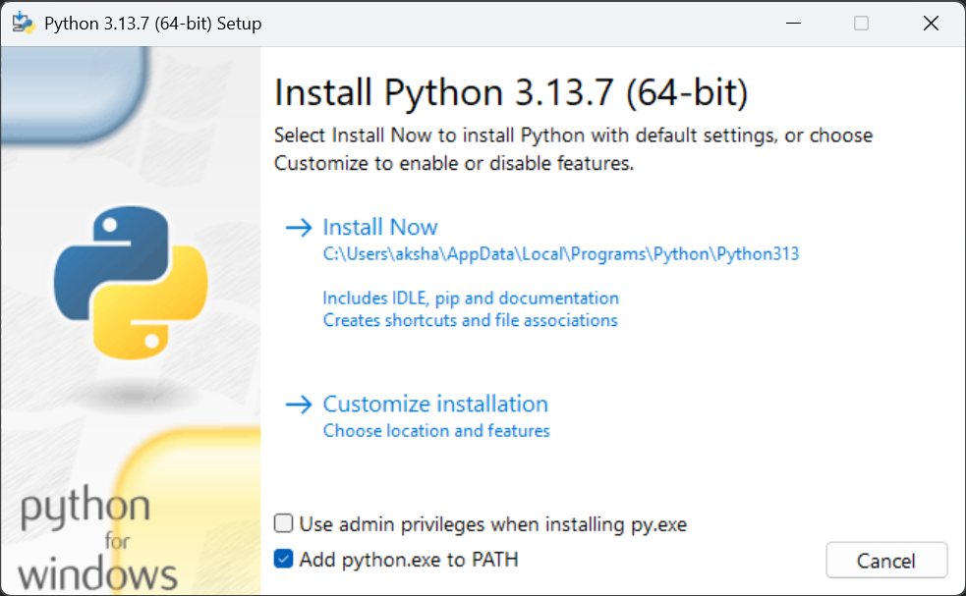

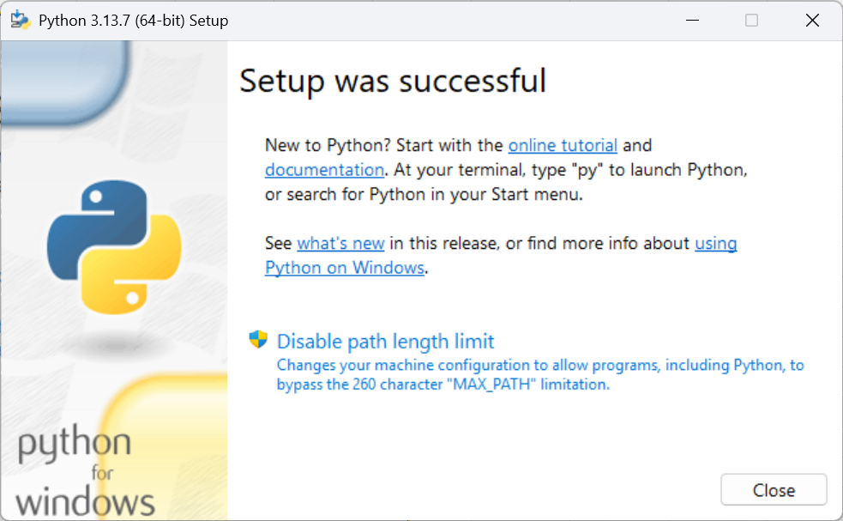

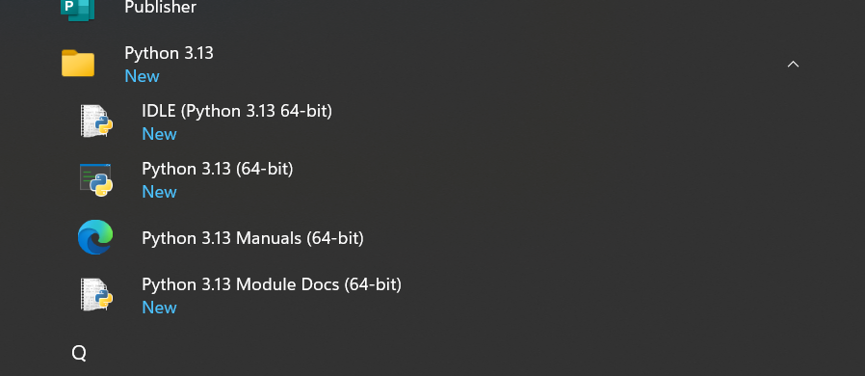

Python Shell: To execute code snippets:
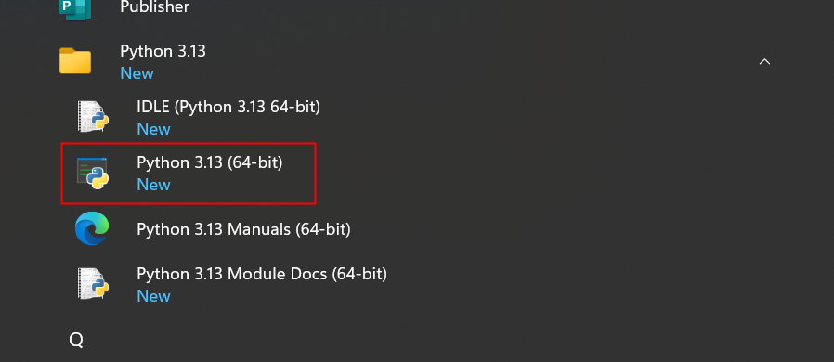

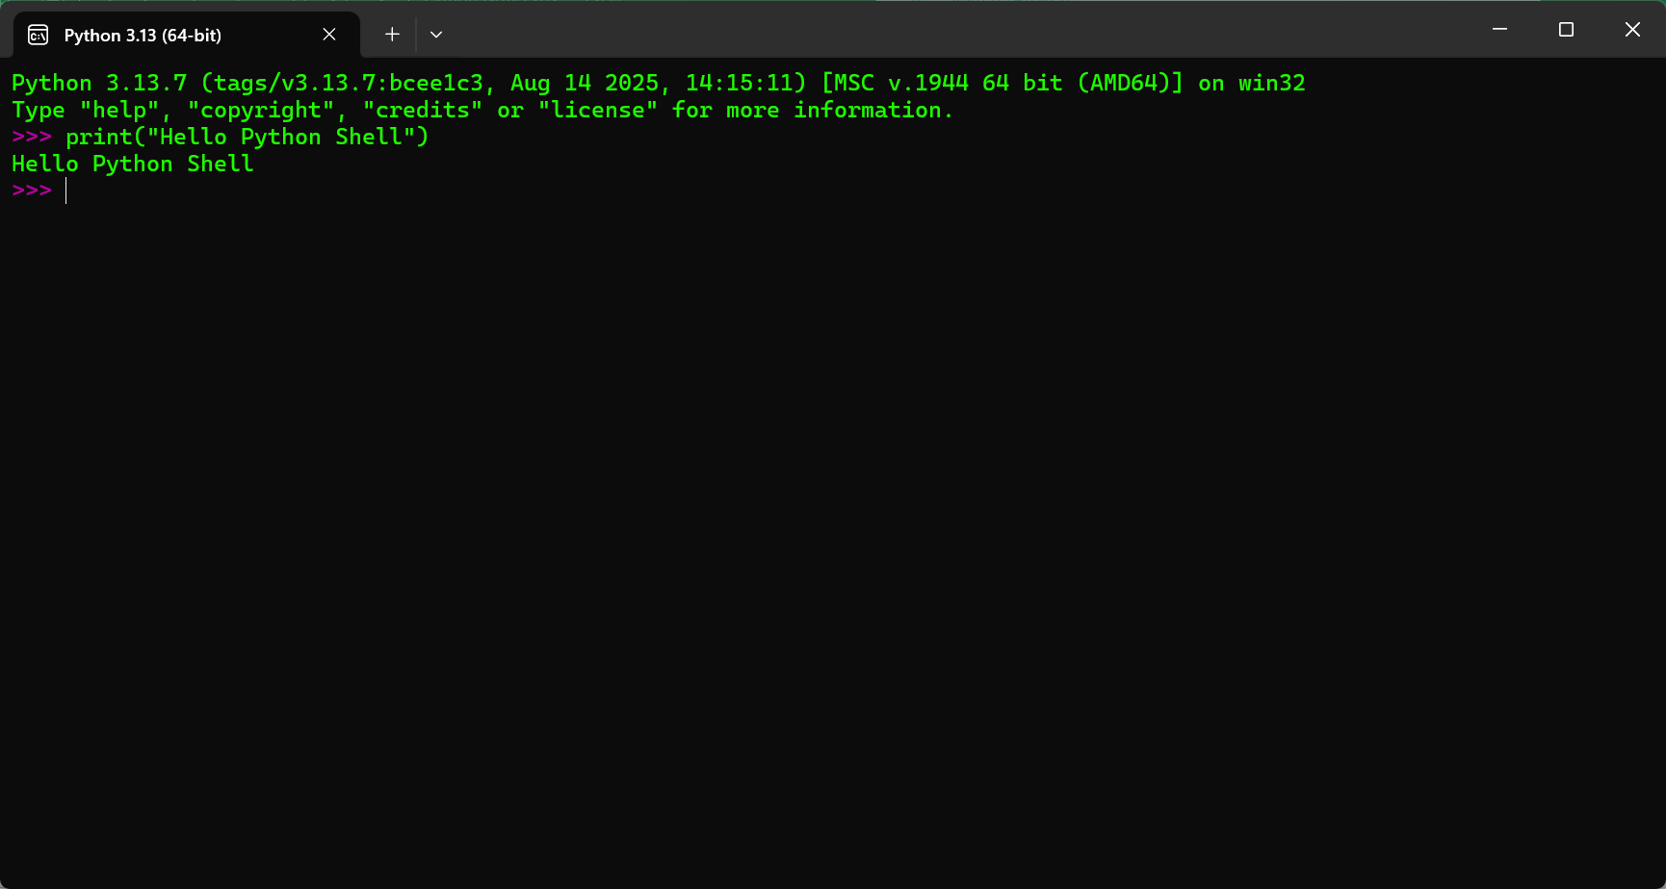

exit to close the from Python Shell.

Also we can open Python Shell from CMD
Open CMD then type python and we can see python shell.

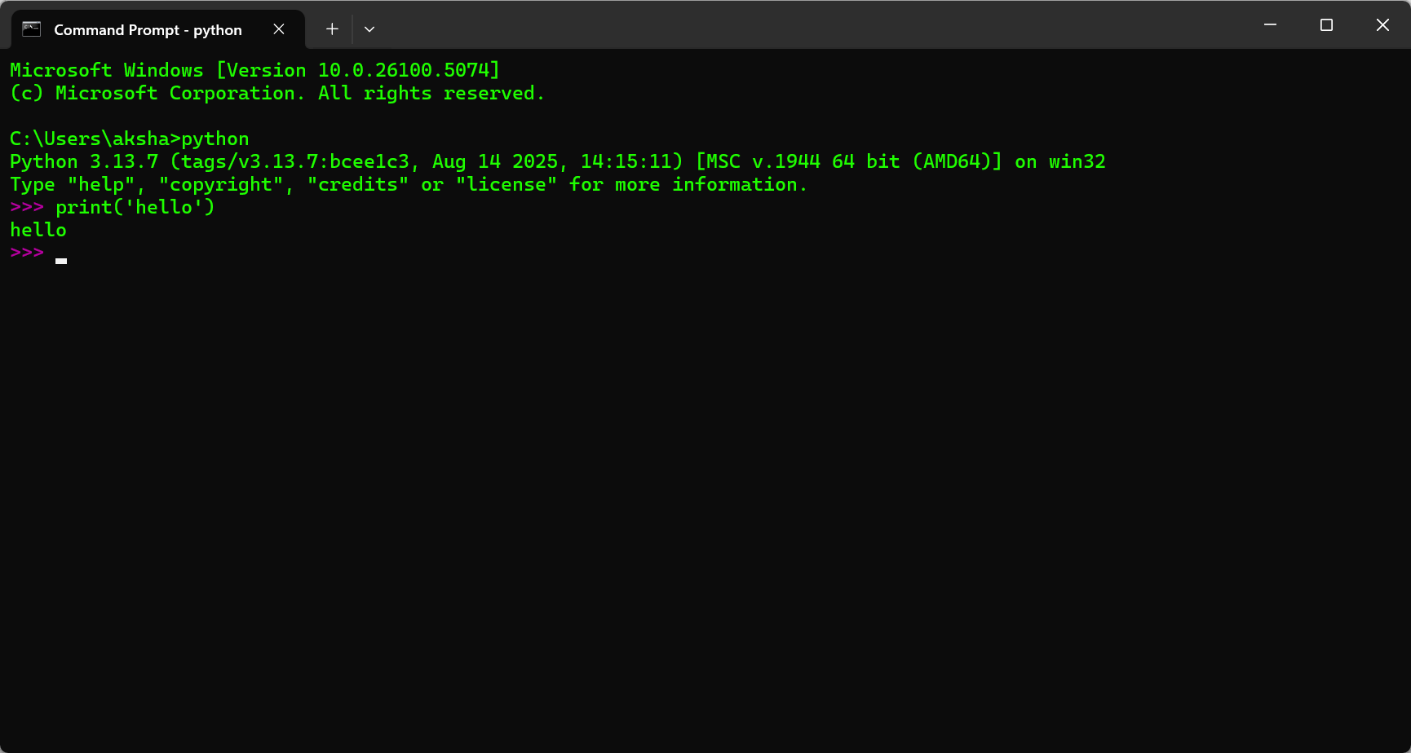

Ctrl + Z: to come out of python shell in CMD.

Python IDLE: Another type of Shell with run functionality. We can write small programs.

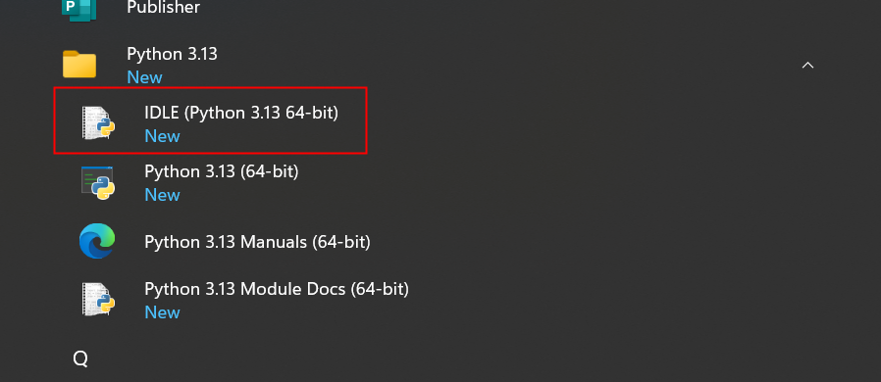

Lecture 2: PyCharm Installation

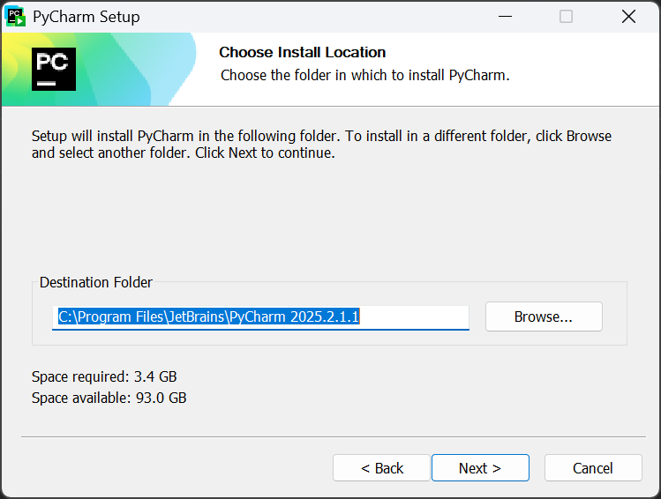

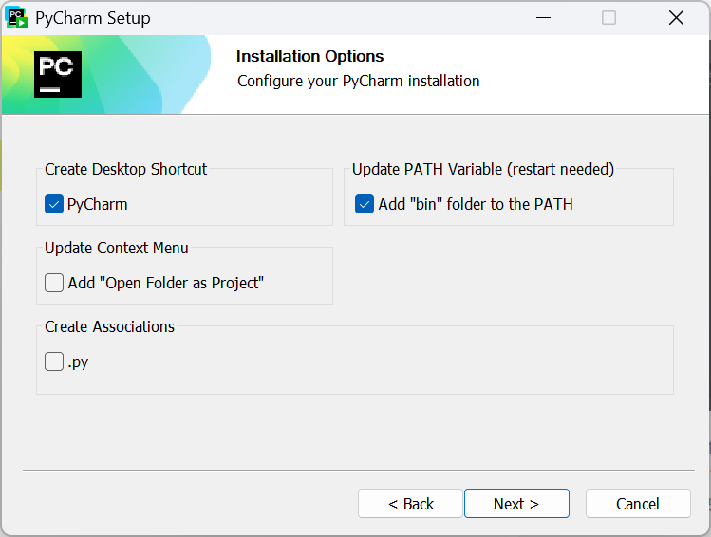

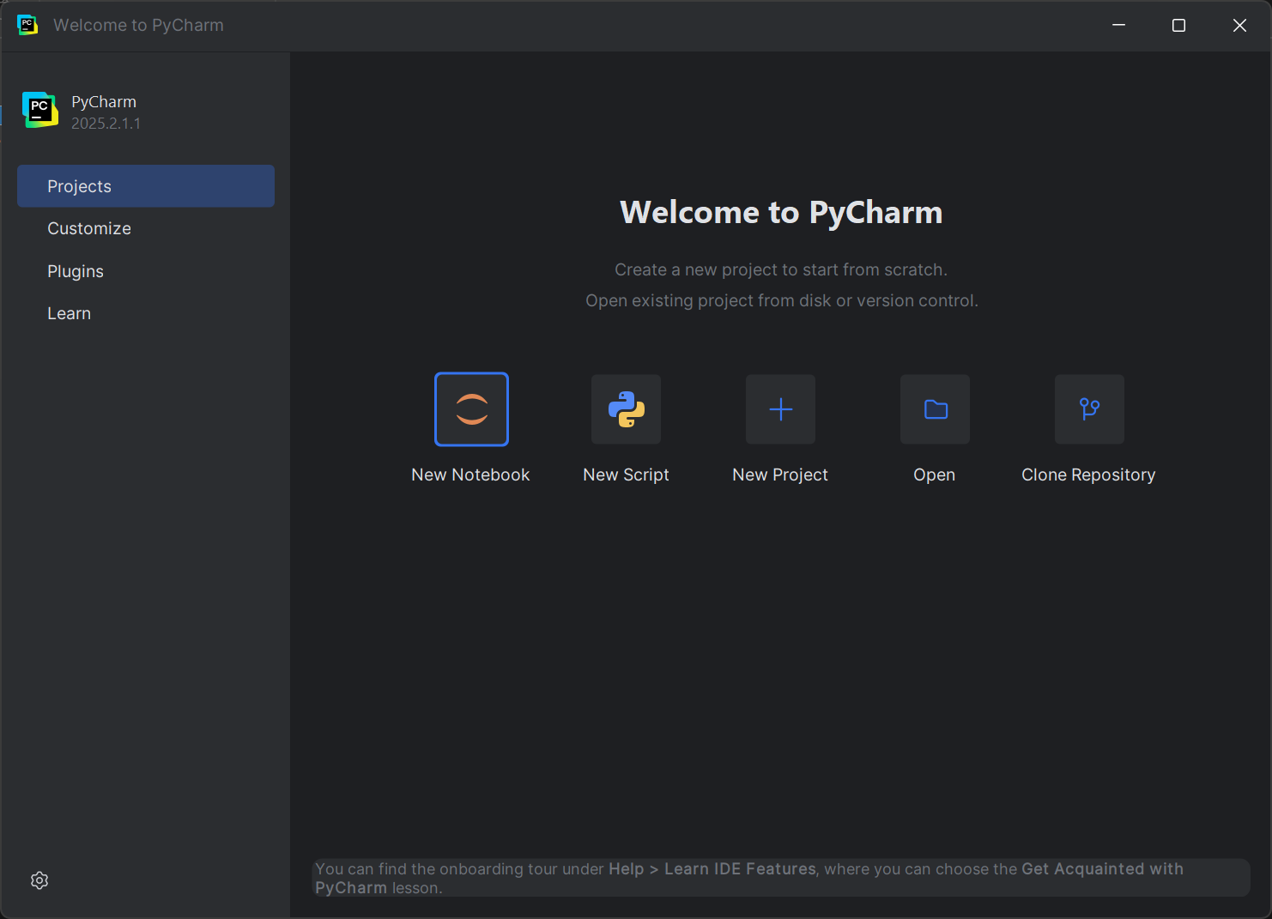

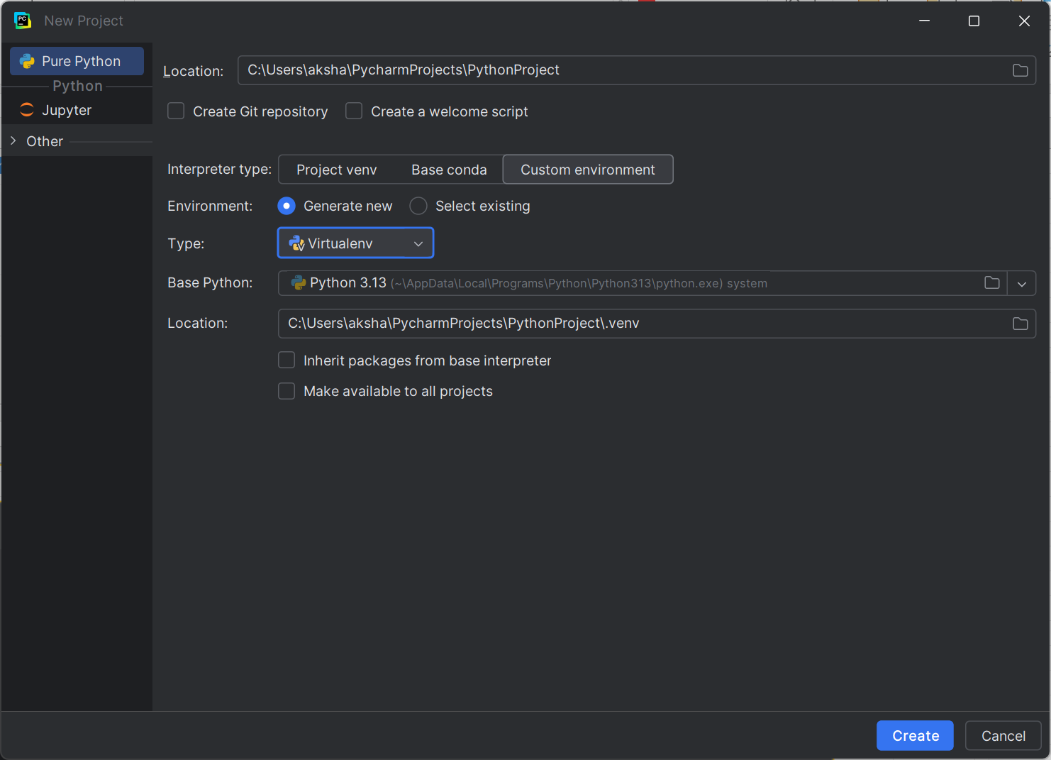

Section 3: Python Datatypes

Lecture 14: What is a Program ?

A Program is a step by step procedure for performing a particular task.
Or progamm is the set of instructions which can be understand by machine.

Area = Length * Breadth

Program = Variables + Operation on that variables (method)

Lecture 15: Variables

Variable is the name given to data.
length = 15
where, length is variable and 15 is data

Declaration & Initialization

length = 15
In python we do declaration and initialization in a single statement.
length = declaration and datatype will decided on the basis of value assigned
length = 15 (we initiazed length variable with 15 value)
# = assignment

Types of Datatypes:
1. Integer (length = 15)
2. Float (price = 12.5)
3. String (name = 'John')

Note: In Python, both single quotes (') and double quotes (") are valid for defining strings — they work the same way.

Multiple declaration with different datatypes:

name, price, qty = "Soap" , 12.75, 6
Data is assigned as per sequence.

a, b, c = 1, 1,1
Memory allocation

a | b | c

 | 1

Just one position in the memory.

a = b= c = 1 (works in similar way)

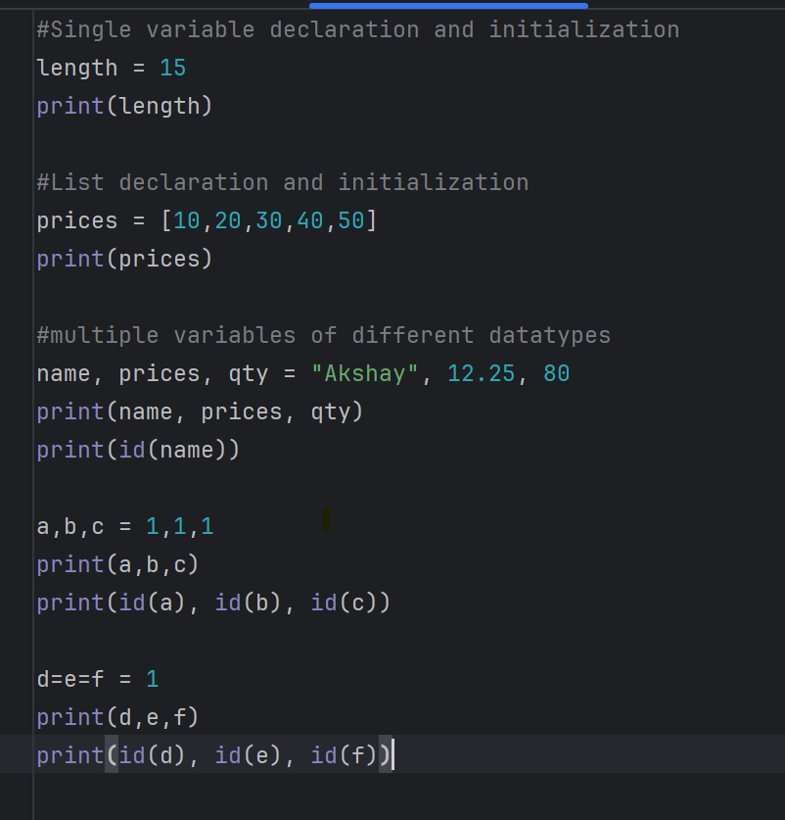
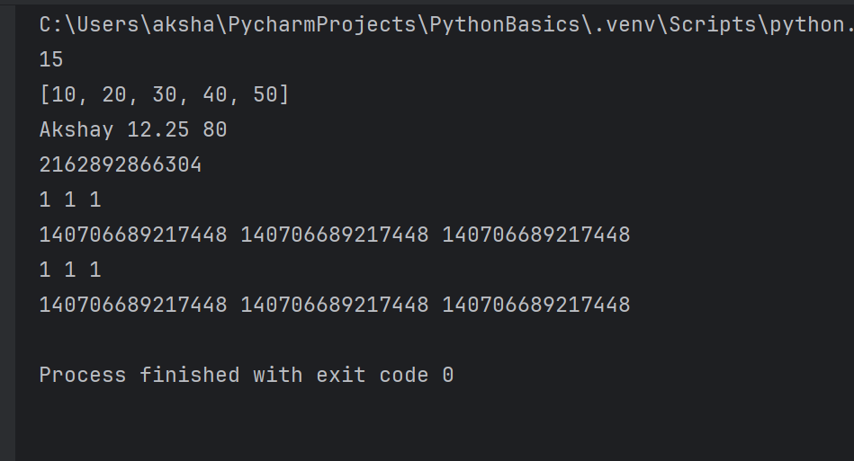

id() function:

In Python, the id() function returns the “identity” of an object.
It’s a unique integer that represents the memory address of the object (or something behaving like it).
This identity is constant for the lifetime of the object.

Lecture 16: Python Dynamically Typed

Static Typed Language:

int a; (Only declaration, it means a can only int type of data)
int a = 15;

Dynamically Typed Language: (Python and JS)

a = 15
Datatype is decided on the basis of assigned data.

a = 12. 75

 |  | 15 (reference pointer changed and 15 is eligible for GC)
a

 |  | 12.75 | (a is pointing to this variable now)

Variable always points to last value assigned.

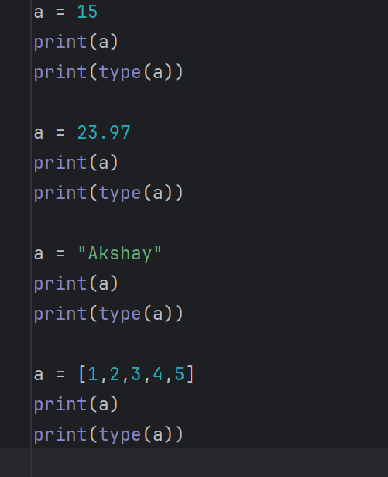
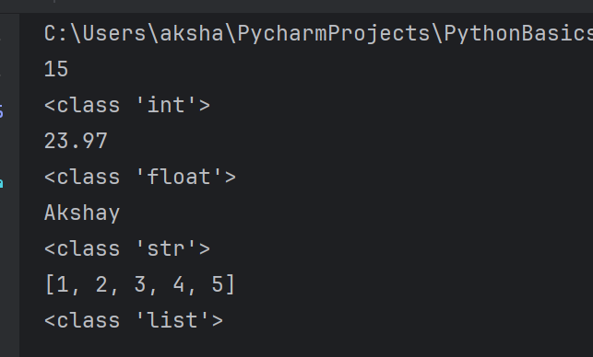

type() function: Return the class of the reference variable.

Lecture 17: Rules for variables names

1. Name should be meaningful.
2. Allowed characters - Alphnumeric and underscore.
3. Start with letter or underscore (should not start with number).
4. Name should not be keyword
5. Variable names are case sensitive.

prod_id = 153
price = 23.15
cust_name = "Smith"
cust_city = "Delhi"

a1 = 10
cust-name = "James"
cust name = "James"

address1 = "Delhi"
1address = "Delhi"
_address = "Delhi"

None = "Delhi" |  |  |  | (None is keyword)

In every language there are two types of word
1. Words which have some pre-defined functionality associated with it. - Keywords
2. User defined words which doesn't have any functionality associated with it. - Indentifiers.

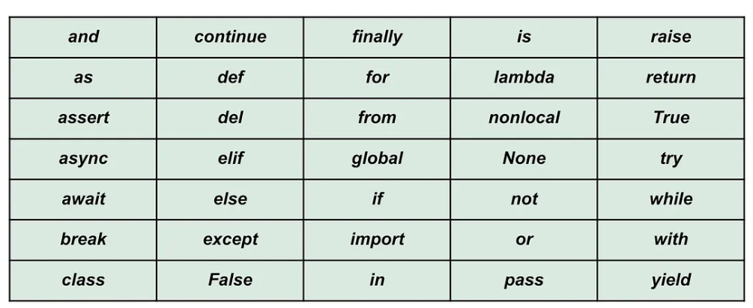

False = "yes"
false = "yes" |  |  | (because python is case sensitive) - allowed but not recommanded

price = 19.99
Price = 29.999 |  | all represents different variables
PRICE = 199.99

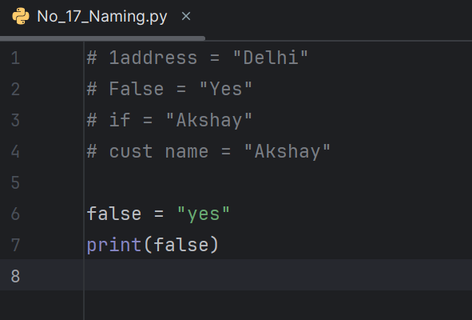

Compile time error for all other variables.

Note: Python uses indentation to define code blocks, so alignment is super strict.

Lecture 18: All Data Types

Numeric: used to hold single value. (scalar)
int: non decimal numbers
float: decimal numbers
bool: used to hold boolean value (True (1)/False(0))
complex: support complex number (c = 6 + i4)

Sequence: used to hold group of values. (index based)
list: ls = [2, 4, 6, 7] - Mutable datatype
tuple: t = (9, 7, 4, 2, 5) - Immutable datatype
string: collection of characters. - Immutable and Index based
str = "python"

Set: used to hold group of values. (not index based and unorder data)
set: s = {2, 4, 6, 7} - (Member are retrieved randomly)
Hold only unique values and mutable.
Mutable - we can add and remove in set.

Dictionary: used to hold key value pairs.
dict: map = {name: "Akshay", roll: 126, dept: "cse"}
Keys are unique but values can be duplicate
Ordered data structure
Mutable data structure

Lecture 19: Setup for Jupyter for Practice

Lecture 20: Numeric Datatypes

Numeric:
1. int
2. float
3. bool
4. complex

1. int

Declaration and Initializatin:

x = 101
int support both postive and negative values.

Data Range:

We can take int value of any size.

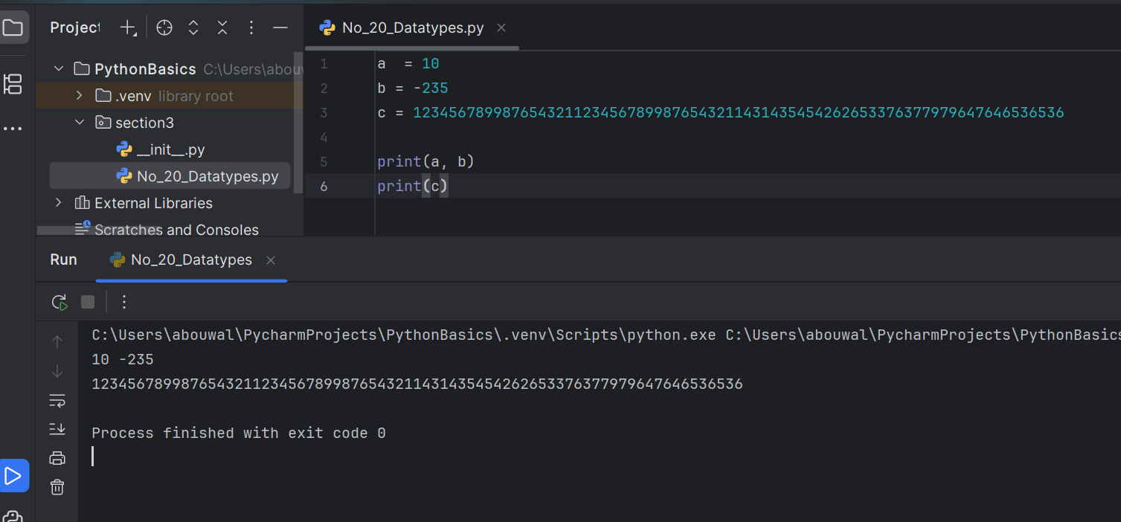

Memory Size:

x = 101 => 28 bytes
y = 123456789012345 => 32 bytes

Memory size is variable it depend on the length of int value and memory is assigned accordingly on the run time.
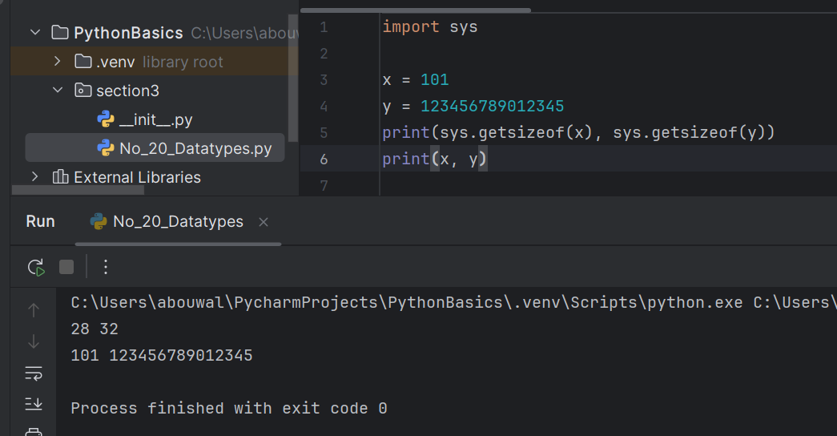

See y size changed to 36 bytes from 32 bytes as we increased the length of y.

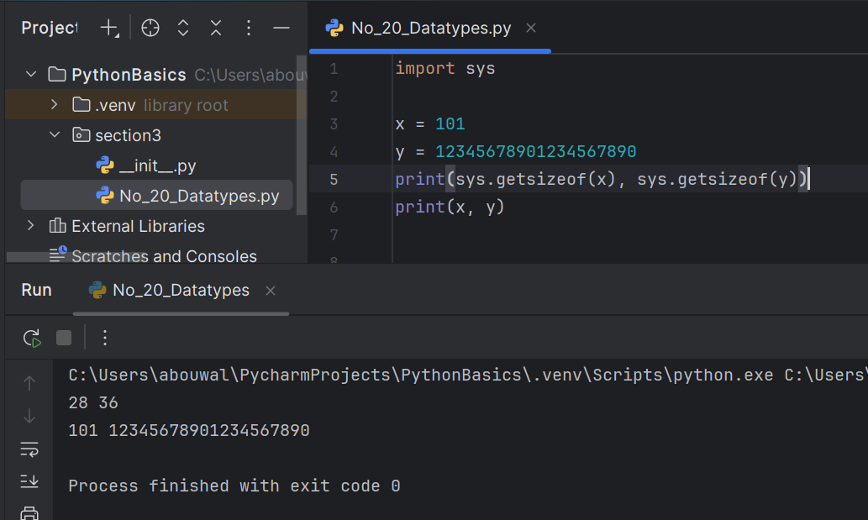

Immutable:
Values can't be changed.

x = 101
now change x = 205
Lets see how memory mapping is changed.

Initially pvm assigned a memory location for 101 and x is reference variable to access that memory data.

 |  |  | 101
 | x
 |  |  | 205

And when we changed x to 205, instead of modifying 101 to 205. PVM create new memory location for 205 and changed
x reference pointer towards 205.

Why to create new memory location instread of modifying ?
Because in python memory allocation happens at runtime (in java at compile time - Static typed) and at runtime pvm can't decide
how memory needs to added or removed to accomdate new data.
So it create new memory location for new value and point reference variable towards that value.

 |  |  | 101 | (Eligible for GC)
 |  |  |  | (Immutable since we didn't change this value, istead with changes new value is created)
 | x
 |  |  | 205

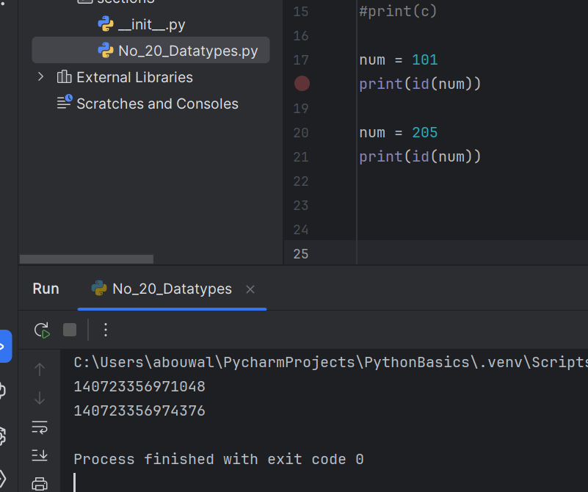

Different memory allocation before and after change, so Immutable.

2. float

Declaration and Initializatin:

num = 29.76
num = 0.075
num = .56 (output will show 0.56)

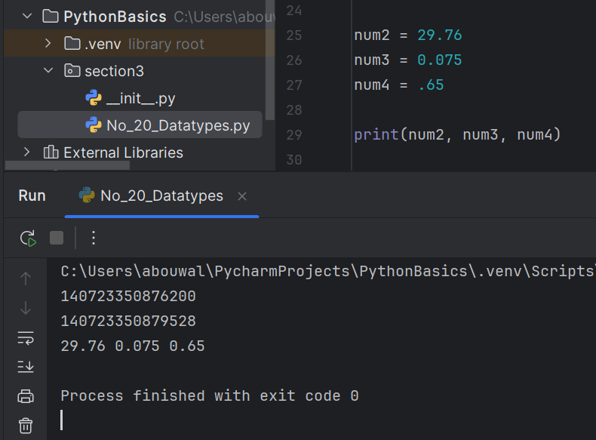

Floating Point Representation (IEEE Standard):

a = 12500
a = 125 * 100
a = 125 * 102
a = 125 * E2
a = 125E2 |  | (we can remove multiplication sign when its in E form)

where 125 = is called Mantissa
and 2 is called Exponent

b = 23.45
b = 2345 / 100
b = 2345 / 102
b = 2345 * 10-2
b = 2345 E-2

Postive and Negative examples:

b = - 2.345 E2
b = - 2345 E-2
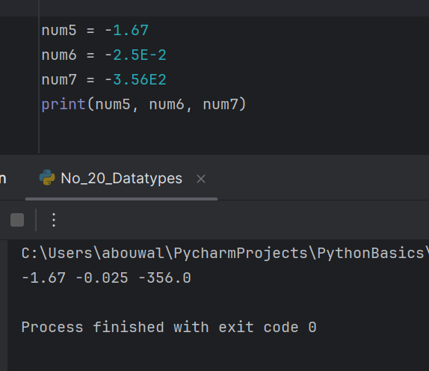

Lecture 21: Numeric Datatypes - boolean and complex

4. boolean

Declaration and Initializatin:

x = True | (true - wrong)
y = False | (false - wrong)
z = true (compile time error - NameError: name 'true' is not defined. Did you mean: 'True'?)

bool and int also have relationship
True is equivalent to 1
False is equivlent to 0
Note: True means 1 but 1 doesn't means True

Application of boolean: Used in conditional statements.

a > b = boolean value

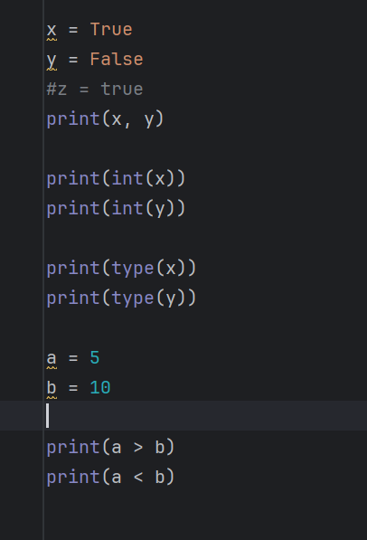

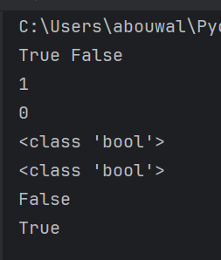

5. Complex Number

Declaration and Initializatin:

a + ib in Mathematical form
a + bj in python (Any other forms give compile time error)

We can initialize complex in two ways
1. a= 3 + 4j or a = 3 + 4J both are same.
2. Using complex function: c = complex(3, 4)

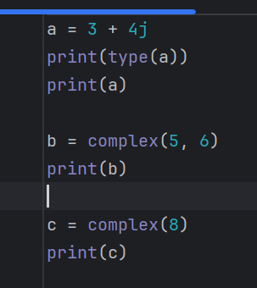
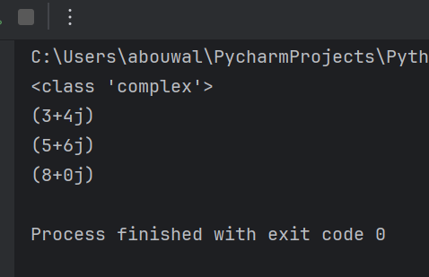

Lecture 22: Literals or Constants

a = 10 | (a is the variable and 10 is the data assigned to it - directly assigned)
b = 5 | (b is the variable and 5 is the data assigned to it - directly assigned)
c = a + b | ( c is the variable and it stored resultant data of a + b)
d = input("Enter Name")

Literal: Directly assigned data to a variable is called Literal or constant. (10 and 5 in above example)
 |  |  |  |  | s
int Literals:

a = 123
a = 123_456_789 |  | (To make data more readable)
a = _123 | (wrong syntax - NameEror because identifiers starts with _ so pvm is considering _123 as identifier)
a = 123_ | (wrong syntax - SyntaxError)

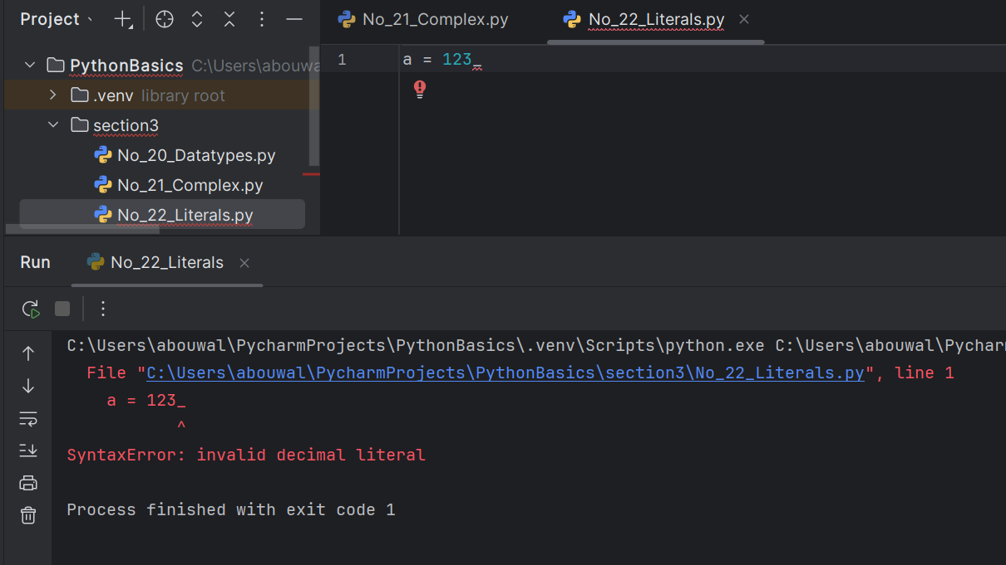

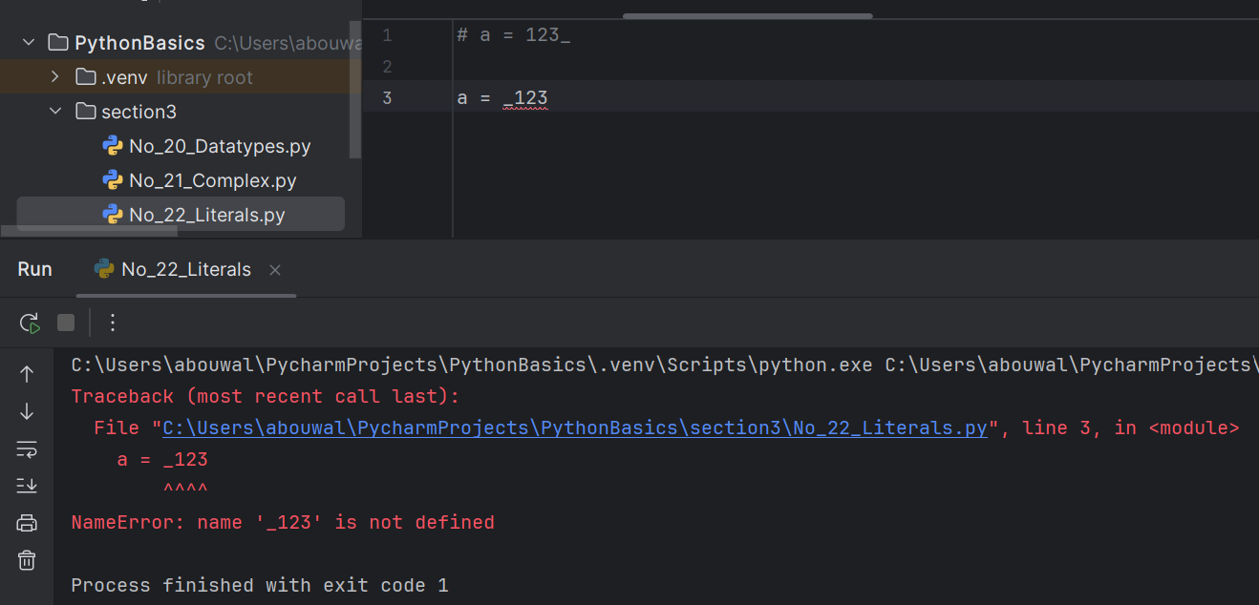

float Literals:

a 9.75
b = 15.0
c = 12E2
d = 12.5E-2
e = 12_5.6_7
f = 5_._9 (wrong _ must be between digits)
SyntaxError: invalid decimal literal

boolean Literals:

a = True
b = False
c = true (wrong)
d = false (wrong)
e = 1 (not boolean but int)

complex Literals:

a = 3 + 5j
a = 5_6 + 7_5j

String Literals:

name = "Alexa" => Alexa
name = 'Alexa' => Alexa
name = '''Alexa''' => Alexa
name = ' "Alexa" ' => "Alexa"

